Sequencing order form
DNA Sequencing Order Form
Gibthai Co., Ltd.
3N Holding House, 44/6 Sutthisarnvinitchai Road, Huaykwang, Samsaennok, Bangkok 10310 THAILAND
T: +662-2748331 | F: +662-2748336 | Email: macrogenorders@gibthai.com| Website: www.gibthai.com

Customer Information

Name of Researcher |  |  |  |  |  |  |  |  | Gibthai Use Only
Department/ Institution
Address
Telephone Number
Email Address
Billing Adress
Sequencing Information

Order Type |  | Sequencing Service |  | Sample Type |  |  | Additional Service (Extra charge)

 | New order |  | Standard Sequencing |  | Plasmid |  |  | PCR product purification

 | Additional order |  | Difficult Sequencing |  | PCR product |  |  | Gel extraction
 | Reference order no.
 | ______________ |  | Primer Walking |  | gDNA |  |  | PCR amplification + purification

PCR product size ===> |  |  | Less than 600 bp |  | More than 600 bp

Comments

Sequencing Reaction Information
REACTION NUMBER |  |  | SAMPLE |  |  |  |  |  | PRIMER
# |  |  | Sample name | Primer name |  | Sample conc. (ng/ul) | Product size (bp) |  | Primer type | Conc. (pmol/uL) | Primer Vol. | Primer sequence
1
2
3
4
5
6
7
8
9
10
11
12
13
14
15
16
17
18
19
20
21
22
23
24
25
26
27
28
29
30
31
32
33
34
35
36
37
38
39
40
41
42
43
44
45
46
47
48
49
50
51
52
53
54
55
56
57
58
59
60
61
62
63
64
65
66
67
68
69
70
71
72
73
74
75
76
77
78
79
80
81
82
83
84
85
86
87
88
89
90
91
92
93
94
95
96

Order Guideline
DNA Sequencing Order Guidelines
Gibthai Co., Ltd.
3N Holding House, 44/6 Sutthisarnvinitchai Road,
Huaykwang, Samsaennok, Bangkok 10310 THAILAND
T: +662-2748331 | F: +662-2748336 |
Email: macrogenorders@gibthai.com
Website: www.gibthai.com

1. sample and Primer preparation requirement
Template/Service | Concentration | Sample volume | Primer (10 pmol/ul)
Plasmid (Below 4 kb) | 100-150 ng/ul | 10 ul/reaction | 5 ul
Plasmid (Over 4 kb) | 200 ng/ul | 10 ul/reaction | 5 ul
PCR product (Below 200 bp) | 10 ng/ul | 10 ul/reaction | 5 ul
PCR product (201-500 bp) | 20 ng/ul | 10 ul/reaction | 5 ul
PCR product (Over 500 bp) | over 25 ng/ul | 10 ul/reaction | 5 ul
PCR product (Over 1000 bp) | 30-60 ng/ul | 10 ul/reaction | 5 ul
16S/18S/26S rRNA & ITS sequencing | gDNA : 30-50 ng, agar plate, glycerol stock | Minimun volume of 50 ul
Difficult Sequencing | 100 ng/ul | Minimun volume of 40 ul
Primer walking | 8 ug (for an insert size of up to 4kb) | Minimun volume of 50 ul
Suggestion :
- Please check the condition of the sample by gel electrophoresis using 1ul sample volume in 1.5% agarose gel before sending the samples, to get the successful result at once.
- A single distinct band of final PCR product should be detected on gel. If smearing or multiple bands are seen, you may receive poor or no readable sequencing data.
2. Packaging
a: sample for individual tube: 1.5 ml tube is recommended in solution at room temperature and sealing with para film.
b: 96 well plate: 8 strip cap is recommended in solution at room temperature
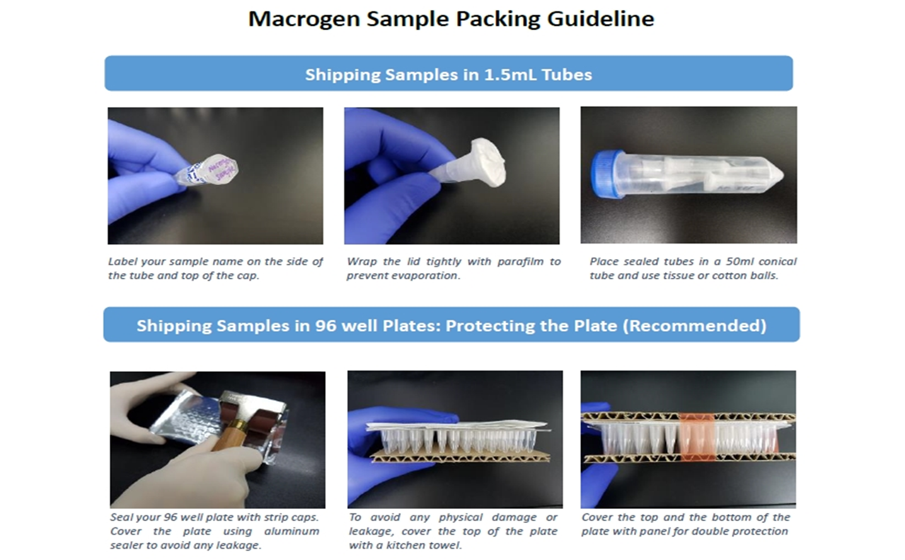

3. Sample collection
> 20 Rxn : everyday pick up. Please inform at least 1 day in advance.
< 20 Rxn: depending on the location
- For Bangkok and perimeter, sample will be picked up by our messenger (Please inform us one day in advance).
- For Upcountry area, please send sample via EMS to below address :
Eng: Gibthai.Co.Ltd, 44/6 Sutthisarnvinitchai Road, Samsennok, Huay Kwang, Bangkok 10310
Thai: บริษัท กิบไทย จำกัด 44/6 ถ.สุทธิสารวินิจฉัย แขวงสามเสนนอก เขตห้วยขวาง กรุงเทพฯ 10310

4. ordering information
1. Please fill out the order sheet.
2. E-mail completed DNA Sequencing Order Form to macrogenorders@gibthai.com
** If a hard copy ordersheet and an electronic order sheet are not received, the result would be postponed.
3. Print out completed DNA Sequencing Order Form and enclose it with sample
4. Indicate sample collection time

